Shaft Final-KWPM.(OLD)
Inspection Standard

PART NO. |  | 23431-KWPM-H000-H1 | IMPORTANCE | PROCESS | SUPPLIER
PART NAME |  | SHAFT FINAL |  | COLD FORGING | MAP-ID,BAWAL
Important Items | SLNo. | ITEM | SPECIFICATION | EVALUATION METHOD | Inspection Frequency | Data Submit | Remarks
 | 1 | Length | 130.75 ~ 131.55 | D.V.C | AS PER SAMPLING PLAN | EACH BATCH
 | 2 | Length | 64.6 ~ 65.2 | D.V.C | AS PER SAMPLING PLAN | EACH BATCH
 | 3 | Length | 35.1 ~ 35.7 | D.V.C | AS PER SAMPLING PLAN | EACH BATCH
 | 4 | Length | 9.7 ~ 10.3 | D.V.C | AS PER SAMPLING PLAN | EACH BATCH
 | 5 | Length | 43.45 ~ 44.05 | D.V.C | AS PER SAMPLING PLAN | EACH BATCH
 | 6 | Length | 9.2 ~ 9.8 | D.V.C | AS PER SAMPLING PLAN | EACH BATCH
 | 7 | Axis Dia | Ф22.6 ~ Ø 23.4 | D.V.C | AS PER SAMPLING PLAN | EACH BATCH
 | 8 | Axis Dia | Ф20.25~Ф20.45 | D.V.C | AS PER SAMPLING PLAN | EACH BATCH
 | 9 | Axis Dia | Ф28.5~Ф29.5 | D.V.C | AS PER SAMPLING PLAN | EACH BATCH
 | 10 | Axis Dia | Ф20.15~Ф20.35 | D.V.C | AS PER SAMPLING PLAN | EACH BATCH
 | 11 | Axis Dia | Ф17.25~Ф17.45 | D.V.C | AS PER SAMPLING PLAN | EACH BATCH
 | 12 | Over pin Dia(Ø2) | 21.956~22.009 | Micrometer | AS PER SAMPLING PLAN | EACH BATCH
 | 13 | HES.INV.S.20X19X1.0 | SPLINE FULL FORM | GO & NOGO SPLINE GAUGE | AS PER SAMPLING PLAN | EACH BATCH
 | 14 | RUNOUT AT B, W.R.T A& D | ≤ 0.1 | BENCH CENTER& DIAL | AS PER SAMPLING PLAN | EACH BATCH
 | 15 | RUNOUT AT C, W.R.T A& D | ≤ 0.07 | BENCH CENTER& DIAL | AS PER SAMPLING PLAN | EACH BATCH
 | 16 | RUNOUT AT E, W.R.T A& D | ≤ 0.1 | BENCH CENTER& DIAL | AS PER SAMPLING PLAN | EACH BATCH
 | 17 | Centers Dia(A) | Ø5.2~Ø5.8 | D.V.C | AS PER SAMPLING PLAN | EACH BATCH
 | 18 | Centers Dia(D) | Ø5.2~Ø5.8 | D.V.C | AS PER SAMPLING PLAN | EACH BATCH
 | 19 | Major Dia | Ø 19.5~Ø19.8 | V- MIC | AS PER SAMPLING PLAN | EACH BATCH
 | 20 | Root Dia | Ø 17.24~Ø17.44 | Pin Mic | AS PER SAMPLING PLAN | EACH BATCH
 | 21 | MATERIAL | SCr 420 HV-SG (Ø 23) | SUPPLIER RMTC | EACH BATCH | EACH BATCH
 | 22 | HARDNESS | 73 ~ 105 HRB | HARDNESS TESTER | 4NOS / HEAT CODE | EACH BATCH
 | 23 | DIAMETER | Ø27.5MIN | D.V.C | AS PER SAMPLING PLAN | EACH BATCH
 | 24 | APPEARANCE | SCRATCH,SPLIT,DENT,BURR ETC | VISUAL | AS PER SAMPLING PLAN | EACH BATCH
 | 25 | APPEARANCE | IDENTIFICATION GROOVE | VISUAL | AS PER SAMPLING PLAN | EACH BATCH
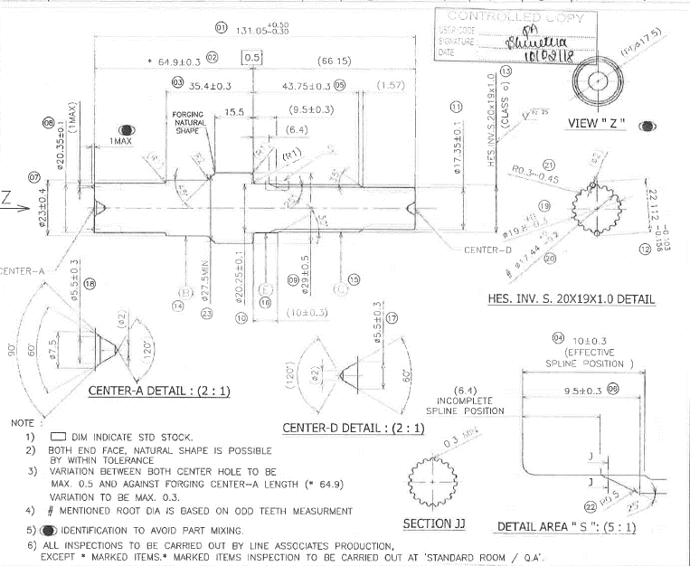 
1
2
13
21
3
5
8
11

21
22
7
19
20
12
12
9
15
18
14
16
23
10
17
4

6

0 | 10.02.2018
REV.NO. | DATE |  | REVISION CONTENTS |  | Approve | Confirm | Issue
 |  |  |  |  | MAP-ID
Document No.：ISF - QA - 036 |  |  | Musashi Auto Parts India Pvt. Ltd.

Shaft Final-KWPM 10.04.2018
Inspection Standard

PART NO. |  | 23431-KWPM-H000-H1 | IMPORTANCE | PROCESS | SUPPLIER
PART NAME |  | SHAFT FINAL |  | COLD FORGING | MAP-ID,BAWAL
Important Items | SLNo. | ITEM | SPECIFICATION | EVALUATION METHOD | Inspection Frequency | Data Submit | Remarks
 | 1 | Length | 130.75 ~ 131.55 | D.V.C | AS PER SAMPLING PLAN | EACH BATCH
 | 2 | Length | 64.6 ~ 65.2 | D.V.C | AS PER SAMPLING PLAN | EACH BATCH
 | 3 | Length | 35.1 ~ 35.7 | D.V.C | AS PER SAMPLING PLAN | EACH BATCH
 | 4 | Length | 9.7 ~ 10.3 | D.V.C | AS PER SAMPLING PLAN | EACH BATCH
 | 5 | Length | 43.45 ~ 44.05 | D.V.C | AS PER SAMPLING PLAN | EACH BATCH
 | 6 | Length | 9.2 ~ 9.8 | D.V.C | AS PER SAMPLING PLAN | EACH BATCH
 | 7 | Axis Dia | Ф22.6 ~ Ø 23.4 | D.V.C | AS PER SAMPLING PLAN | EACH BATCH
 | 8 | Axis Dia | Ф20.25~Ф20.45 | D.V.C | AS PER SAMPLING PLAN | EACH BATCH
 | 9 | Axis Dia | Ф28.5~Ф29.5 | D.V.C | AS PER SAMPLING PLAN | EACH BATCH
 | 10 | Axis Dia | Ф20.15~Ф20.35 | D.V.C | AS PER SAMPLING PLAN | EACH BATCH
 | 11 | Axis Dia | Ф17.25~Ф17.45 | D.V.C | AS PER SAMPLING PLAN | EACH BATCH
 | 12 | Over pin Dia(Ø2) | 21.956~22.009 | Micrometer | AS PER SAMPLING PLAN | EACH BATCH
 | 13 | HES.INV.S.20X19X1.0 | SPLINE FULL FORM | GO & NOGO SPLINE GAUGE | AS PER SAMPLING PLAN | EACH BATCH
 | 14 | RUNOUT AT B, W.R.T A& D | ≤ 0.1 | BENCH CENTER& DIAL | AS PER SAMPLING PLAN | EACH BATCH
 | 15 | RUNOUT AT C, W.R.T A& D | ≤ 0.07 | BENCH CENTER& DIAL | AS PER SAMPLING PLAN | EACH BATCH
 | 16 | RUNOUT AT E, W.R.T A& D | ≤ 0.1 | BENCH CENTER& DIAL | AS PER SAMPLING PLAN | EACH BATCH
 | 17 | Major Dia | Ø 19.5~Ø19.8 | V- MIC | AS PER SAMPLING PLAN | EACH BATCH
 | 18 | Root Dia | Ø 17.24~Ø17.44 | Pin Mic | AS PER SAMPLING PLAN | EACH BATCH
 | 19 | MATERIAL | SCr 420 HV-SG (Ø 23) | SUPPLIER RMTC | EACH BATCH | EACH BATCH
 | 20 | HARDNESS | 73 ~ 105 HRB | HARDNESS TESTER | 4NOS / HEAT CODE | EACH BATCH
 | 21 | DIAMETER | Ø27.5MIN | D.V.C | AS PER SAMPLING PLAN | EACH BATCH
 | 22 | APPEARANCE | No crack , Damage Etc | VISUAL | AS PER SAMPLING PLAN | EACH BATCH
1
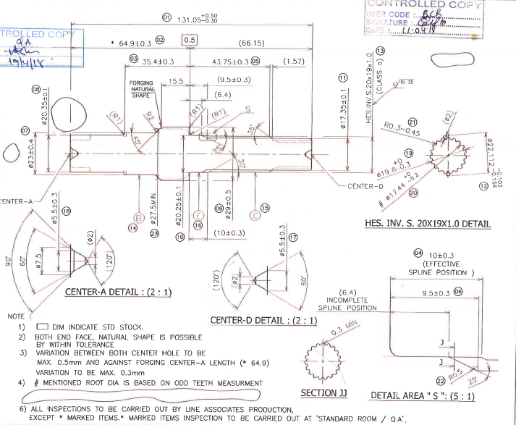 
19
2
13
3
5
11
8
20
20

7
15
17
18
12
14
9

10
21
16
4

6

a | 10.04.2018
REV.NO. | DATE |  | REVISION CONTENTS |  | Approve | Confirm | Issue
 |  |  |  |  | MAP-ID
Document No.：ISF - QA - 036 |  |  | Musashi Auto Parts India Pvt. Ltd.

Shaft Drive-KWPM
Inspection Standard

PART NO. |  | 23411-KWPM-H000 |  | PROCESS | SUPPLIER
PART NAME |  | SHAFT DRIVE |  | COLD FORGING | MAP-ID,BAWAL
Important Items | SLNo. | ITEM |  | Evaluation Method | Inspection Frequency | Data Submit | Remarks
 | 1 | LENGTH | 168.1 ~ 169.5 | Vernier Calliper | AS PER SAMPLING PLAN | EACH BATCH
 | 2 | LENGTH | 51.4 ~52 | Vernier Calliper | AS PER SAMPLING PLAN | EACH BATCH
 | 3 | LENGTH | 74 ~ 76 | Vernier Calliper | AS PER SAMPLING PLAN | EACH BATCH
 | 4 | LENGTH | 41.5 ~ 42.5 | Vernier Calliper | AS PER SAMPLING PLAN | EACH BATCH
 | 5 | LENGTH | 14.3 ~ 14.9 | Vernier Calliper | AS PER SAMPLING PLAN | EACH BATCH
 | 6 | AXIS DIA | Ø15.10 ~ Ø15.35 | Vernier Calliper | AS PER SAMPLING PLAN | EACH BATCH
 | 7 | AXIS DIA | Ø20.30 ~ Ø20.50 | Vernier Calliper | AS PER SAMPLING PLAN | EACH BATCH
 | 8 | GEAR DIA | Ø28.1 ~ Ø28.3 | Vernier/CMM | AS PER SAMPLING PLAN | EACH BATCH
 | 9 | AXIS DIA | Ø29.5 ~ Ø30.5 | Vernier Calliper | AS PER SAMPLING PLAN | EACH BATCH
 | 10 | DIAMETER | Ø17.7 ~ Ø18.5 | Vernier Calliper | AS PER SAMPLING PLAN | EACH BATCH
 | 11 | DIAMETER | Ø21.3 ~ Ø21.7 | Vernier Calliper | AS PER SAMPLING PLAN | EACH BATCH
 | 12 | ROOT DIAMETER | Ø21.43 ~ Ø21.63 | Vernier Calliper | AS PER SAMPLING PLAN | EACH BATCH
 | 13 | SPAN(3T) | 9.815 ~ 9.845 | Span Micrometer | AS PER SAMPLING PLAN | EACH BATCH
 | 14 | P.C.D R/O(D)(Ø2) | 0.07 | P.C.D Tester | AS PER SAMPLING PLAN | EACH BATCH
 | 15 | LEAD & PROFILE | See Table | Lead & Profile Tester | 1no /lot | EACH BATCH
 | 16 | RUNOUT AT B | 0.1 | Bench Center & Dial Gauge | AS PER SAMPLING PLAN | EACH BATCH
 | 17 | MATERIAL | SCr420HV-SG(Ø28) | Supplier Mill T.C | AS PER SAMPLING PLAN | EACH BATCH
 | 18 | HARDNESS | HRB 73-105 | Hardness Tester | 4pies/Heat code | once/Heat code
 | 19 | Appearance | Identification mark to avoide part mix up | visual | AS PER SAMPLING PLAN | EACH BATCH
 | 20 | Appearance | No Crack,Damage ETC | Visual | AS PER SAMPLING PLAN | EACH BATCH
 | 21 | Centere hole Dia - (A&F) | Ø5.7 ~ Ø6.3 | Vernier Calliper | AS PER SAMPLING PLAN | EACH BATCH
1
2
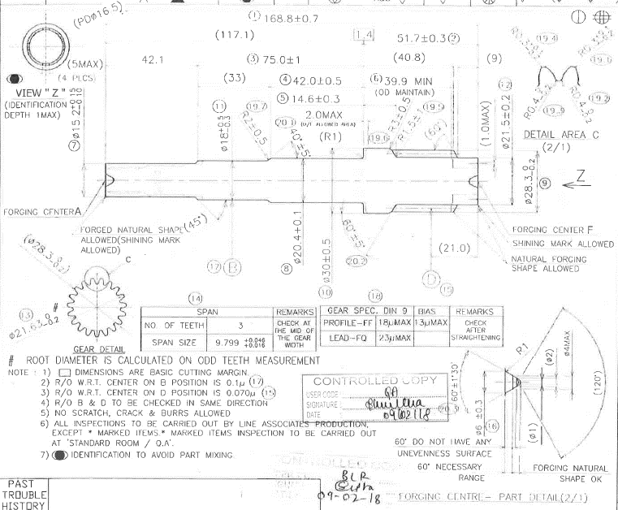

3
4
11
10
5
6

8

17
7
12
13
15
9
18

16
14

20
21

0 | 2018-02-09
REV.NO. | DATE |  |  |  | Approve | Confirm | Issue
 |  |  |  |  | MAP-ID
Document No.：ISF - QA - 036

Shaft Counter-KWPM
Inspection Standard

PART NO. |  | 23421-KWPM-H000 | IMPORTANCE | PROCESS | SUPPLIER
PART NAME |  | SHAFT COUNTER |  | COLD FORGING | MAP-ID,BAWAL
Important Items | SLNo. | ITEM | SPECIFICATION | EVALUATION METHOD | Inspection Frequency | Data Submit | Remarks
 | 1 | LENGTH | 55.0 ~55.8 | VERNIER CALLIPER | AS PER SAMPLING PLAN | EACH BATCH
 | 2 | LENGTH | 35.9 ~37.4 | VERNIER CALLIPER | AS PER SAMPLING PLAN | EACH BATCH
 | 3 | LENGTH | 8.7 ~9.3 | VERNIER CALLIPER | AS PER SAMPLING PLAN | EACH BATCH
 | 4 | AXIS DIAMETER | Ø 24 ~Ø25 | VERNIER CALLIPER | AS PER SAMPLING PLAN | EACH BATCH
 | 5 | AXIS DIAMETER | Ø 16.3 ~Ø 16.7 | MICROMETER | AS PER SAMPLING PLAN | EACH BATCH
 | 6 | GEAR DIA | Ø 23.5 ~Ø 23.7 | RING GAUGE / CMM | AS PER SAMPLING PLAN | EACH BATCH
 | 7 | SPAN (3 TEETH) | 11.85 ~11.90 | FLANGE MICROMETER | AS PER SAMPLING PLAN | EACH BATCH
 | 8 | ROOT DIAMETER | Ø 16.48 ~Ø 16.68 | VERNIER CALLIPER | AS PER SAMPLING PLAN | EACH BATCH
 | 9 | CENTER HOLE DIA | Ø 5.2 ~Ø 5.8 | CONTOUR | AS PER SAMPLING PLAN | EACH BATCH
 | 10 | P.C.D R/O AT 'A' (W.R.T. 'X' & 'Y') | MAX.0.04 (R/O IN SAME DIRECTION | BENCH CENTER | AS PER SAMPLING PLAN | EACH BATCH
 | 11 | LEAD &PROFILE | 23micron Max & 15 microm Max | LEAD & PROFILE TESTER | 1no / lot | EACH BATCH
 | 12 | MATERIAL | SCr 420 HV-SG(Ø 23) | SUPPLIER RMTC | EACH BATCH | EACH BATCH
 | 13 | HARDNESS | 73 ~ 105 HRB | HARDNESS TESTER | 4NOS / HEAT CODE | EACH BATCH
 | 14 | APPEARANCE | No scratch ,dent & burr allowed | VISUAL | AS PER SAMPLING PLAN | EACH BATCH
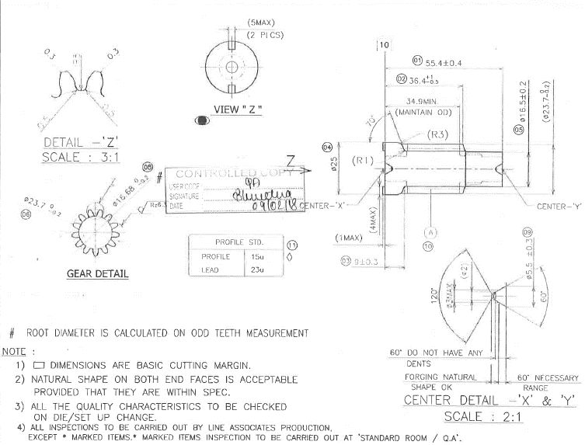 

12
1
2
13
5
6
8
4
9
11
10
3

0 | 2018-02-09
REV.NO. | DATE |  | REVISION CONTENTS |  | Approve | Confirm | Issue
 |  |  |  |  | MAP-ID
Document No.：ISF - QA - 036 |  |  | Musashi Auto Parts India Pvt. Ltd.

GEAR FINAL - KWPM (Prototype)
Inspection Standard

PART NO. |  | 23432-KWP-H000-H1 | IMPORTANCE | PROCESS | SUPPLIER
PART NAME |  | GEAR FINAL |  | FORGING | WARM GEARS / AMTEK / MODERN AUTO / NOVUS FORGING
Important Items | SLNo. | Item | Specification | Evaluation Method | Inspection Frequency | Data Submit | Remarks
 | 1 | Diameter | 82.30±0.8 | D.Vernier Calliper | AS PER SAMPLING PLAN | EACH BATCH
 | 2 | Diameter | 23.5 +1.2 | D.Vernier Calliper | AS PER SAMPLING PLAN | EACH BATCH
 | 3 | bore dia | 18.20 -0.4 | D.Vernier Calliper | AS PER SAMPLING PLAN | EACH BATCH
 | 4 | Diameter | 24.40 ± 0.3 | D.Vernier Calliper | AS PER SAMPLING PLAN | EACH BATCH
 | 5 | Diameter | 80 +0.5/-0.4 | D.Vernier Calliper | AS PER SAMPLING PLAN | EACH BATCH
 | 6 | Dimension | 8.35 +0.3/-0.6 | D.Height Gauge | AS PER SAMPLING PLAN | EACH BATCH
 | 7 | web Thickness | 6.5 ± 0.3 | pin micrometer | AS PER SAMPLING PLAN | EACH BATCH
 | 8 | Thickness | 21.7 ± 0.25 | D.Vernier Calliper | AS PER SAMPLING PLAN | EACH BATCH
 | 9 | Flash | 2Max | Height Gauge & Dial indicator | AS PER SAMPLING PLAN | EACH BATCH
 | 10 | Dimension | 20.35 | Height Gauge & Dial indicator | AS PER SAMPLING PLAN | EACH BATCH
 | 11 | Dimension | 23.5 +0.25 / -0.55 | Height Gauge & Dial indicator | AS PER SAMPLING PLAN | EACH BATCH
 | 12 | Diameter | Ø44.2 ± 1 | D.Vernier Calliper | AS PER SAMPLING PLAN | EACH BATCH
 | 13 | Diameter | Ø50.3 ± 1 | D.Vernier Calliper | AS PER SAMPLING PLAN | EACH BATCH
 | 14 | Embossing Height | 2.5 Min | Height Gauge/Dial indicator | AS PER SAMPLING PLAN | EACH BATCH
 | 15 | Embossing width | 0.5 ~ 1 | D.Vernier Calliper | AS PER SAMPLING PLAN | EACH BATCH
 | 16 | Hole shift | 0.3 mm Max | D.Vernier Calliper | AS PER SAMPLING PLAN | EACH BATCH
 | 17 | M' Letter width | 5mm Max | D.Vernier Calliper | AS PER SAMPLING PLAN | EACH BATCH
 | 18 | Emboss Model Code | KWPM | Visual | AS PER SAMPLING PLAN | EACH BATCH
 | 19 | Hardness | 80 ~ 95 HRB | Hardness Tester | once/Heat code | once/Heat code
 | 20 | Material | SCr 420HV | Supplier RMTC | Each Lot | EACH BATCH
 | 21 | Supplier Identification | M A- Amtek Auto, MW-Warm Gears, MN-NOVUS FORGE & MM- MODERN AUTO | Visual | Each Lot | EACH BATCH
 | 22 | Appearance | No Laps, cracks & other Harmful Defects allowed | Visual | AS PER SAMPLING PLAN | EACH BATCH
11
13
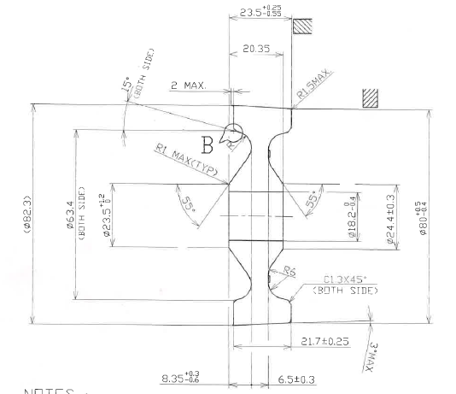 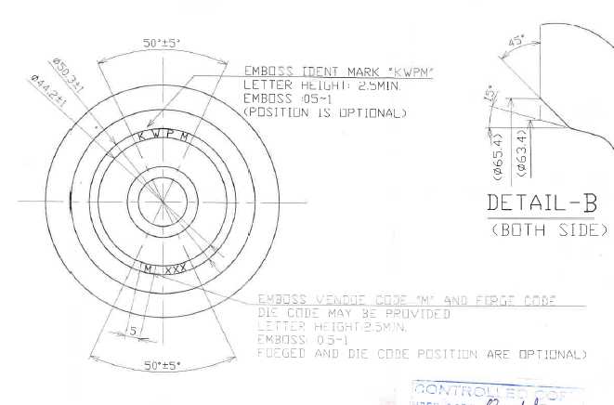

9
14
10
12
15

2
3
17

1
4
5

8

19
20
6
7

22
16

0 | 2017-06-14
REV.NO. | DATE |  | REVISION CONTENTS |  | Approve | Confirm | Issue
 |  |  |  |  | MAP-ID
Document No.：ISF - QA - 036 |  |  | Musashi Auto Parts India Pvt. Ltd.

GEAR FINAL-KWPM(Mass Productio)
Inspection Standard

PART NO. |  | 23432-KWP-H000-H1 | IMPORTANCE | PROCESS | SUPPLIER
PART NAME |  | GEAR FINAL |  | FORGING | WARM GEARS / AMTEK / MODERN AUTO / NOVUS FORGING
Important Items | SLNo. | Item | Specification | Evaluation Method | Inspection Frequency | Data Submit | Remarks
 | 1 | Diameter | 82.30±0.8 | D.Vernier Calliper | AS PER SAMPLING PLAN | EACH BATCH
 | 2 | Diameter | 23.5 +1.2 | D.Vernier Calliper | AS PER SAMPLING PLAN | EACH BATCH
 | 3 | bore dia | 18.20 -0.4 | D.Vernier Calliper | AS PER SAMPLING PLAN | EACH BATCH
 | 4 | Diameter | 24.40 ± 0.3 | D.Vernier Calliper | AS PER SAMPLING PLAN | EACH BATCH
 | 5 | Diameter | 80 +0.5/-0.4 | D.Vernier Calliper | AS PER SAMPLING PLAN | EACH BATCH
 | 6 | Dimension | 8.35 ± 0.3 | D.Height Gauge | AS PER SAMPLING PLAN | EACH BATCH
 | 7 | web Thickness | 6.5 ± 0.3 | pin micrometer | AS PER SAMPLING PLAN | EACH BATCH
 | 8 | Thickness | 21.7 ± 0.25 | D.Vernier Calliper | AS PER SAMPLING PLAN | EACH BATCH
 | 9 | Flash | 1Max | Height Gauge & Dial indicator | AS PER SAMPLING PLAN | EACH BATCH
 | 10 | Dimension | 20.35 ± 0.4 | Height Gauge & Dial indicator | AS PER SAMPLING PLAN | EACH BATCH
 | 11 | Dimension | 23.5 +0.25 / -0.55 | Height Gauge & Dial indicator | AS PER SAMPLING PLAN | EACH BATCH
 | 12 | Diameter | Ø44.2 ± 1 | D.Vernier Calliper | AS PER SAMPLING PLAN | EACH BATCH
 | 13 | Diameter | Ø50.3 ± 1 | D.Vernier Calliper | AS PER SAMPLING PLAN | EACH BATCH
 | 14 | Embossing letter size | 2.5 Min | Height Gauge/Dial indicator | AS PER SAMPLING PLAN | EACH BATCH
 | 15 | Embossing letter height | 0.5 ~ 1 | D.Vernier Calliper | AS PER SAMPLING PLAN | EACH BATCH
 | 16 | Hole shift | 0.3 mm Max | D.Vernier Calliper | AS PER SAMPLING PLAN | EACH BATCH
 | 17 | M' Letter width | 5mm Max | D.Vernier Calliper | AS PER SAMPLING PLAN | EACH BATCH
 | 18 | Emboss Model Code | KWPM | Visual | AS PER SAMPLING PLAN | EACH BATCH
 | 19 | Hardness | 80 ~ 95 HRB | Hardness Tester | once/Heat code | once/Heat code
 | 20 | Material | SCr 420HV | Supplier RMTC | Each Lot | EACH BATCH
 | 21 | Supplier Identification | M A- Amtek Auto, MW-Warm Gears, MN-NOVUS FORGE & MM- MODERN AUTO | Visual | Each Lot | EACH BATCH
 | 22 | Appearance | No Laps, cracks & other Harmful Defects allowed | Visual | AS PER SAMPLING PLAN | EACH BATCH
11
13
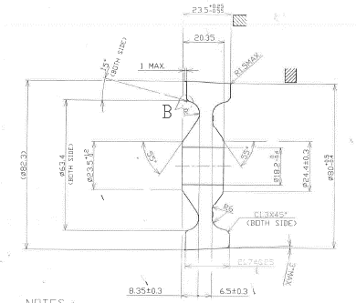

9
14
10
12
18
15

2
17
3
4
1
5

19
8
20
6
7

22
16

0 | 2018-02-06
REV.NO. | DATE |  | REVISION CONTENTS |  | Approve | Confirm | Issue
 |  |  |  |  | MAP-ID
Document No.：ISF - QA - 036 |  |  | Musashi Auto Parts India Pvt. Ltd.

